Hoja1
 |  |  |  |  |  |  |  |  |  |  | YCGT0025 INDEX
 | SOFR |  |  |  |  | SOFR 3M FUTURE CONTRACTS
 | Tenor | 2026-04-30 | 2026-05-29 | Var |  | Fecha | 2026-04-30 | 2026-05-29 | Var | ID | id().tenor | rate(side=mid).value
TSFR3M Index | 3 M | 3.664 | 3.657 | -0.01 | SOFRRATE Index | Spot | 3.66 | 3.63 | -0.03 | 91282CQL Govt | 2Y | 3.872
TSFR6M Index | 6 M | 3.684 | 3.714 | 0.03 | SFRH6 COMB Comdty | Mar-26 | 3.66 | 3.63 | -0.03 | 91282CQK Govt | 5Y | 4.006
TSFR12M Index | 12 M | 3.741 | 3.836 | 0.09 | SFRJ6 COMB Comdty | Apr-26 | 3.66 | 3.63 | -0.03 | 91282CPZ Govt | 10Y | 4.372
 | UST |  |  |  | SFRK6 COMB Comdty | May-26 | 3.66 | 3.64 | -0.02
 | 2Y | 3.872 | 4.005 | 0.13 | SFRM6 COMB Comdty | Jun-26 | 3.66 | 3.67 | 0.01 | ID | id().tenor | rate(side=mid).value
 | 5Y | 4.006 | 4.142 | 0.14 | SFRN6 COMB Comdty | Jul-26 | 3.66 | 3.69 | 0.04 | 91282CQS Govt | 2Y | 4.005
 | 10Y | 4.372 | 4.437 | 0.07 | SFRQ6 COMB Comdty | Aug-26 | 3.66 | 3.72 | 0.06 | 91282CQU Govt | 5Y | 4.142
 |  |  |  |  | SFRU6 COMB Comdty | Sep-26 | 3.65 | 3.73 | 0.08 | 91282CQQ Govt | 10Y | 4.437
FEDL01 INDEX | FED FUNDS - EFFECTIVE RATE |  |  |  | SFRV6 COMB Comdty | Oct-26 | 3.67 | 3.78 | 0.11
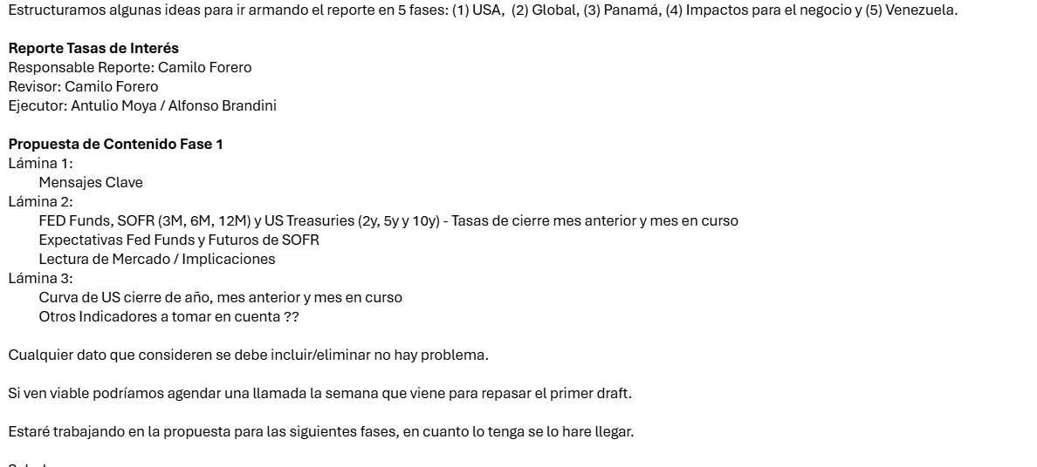
 |  | 3.640 | 3.620 | -0.02 | SFRX6 COMB Comdty | Nov-26 | #VALUE! | 3.81 | #VALUE!
 | FED FUNDS - MARKET EXP (WIRP) |  |  |  | SFRZ6 COMB Comdty | Dec-26 | 3.69 | 3.83 | 0.14
 | Fecha | 2026-04-30 | 2026-05-29 | Var Acum | SFRH7 COMB Comdty | Mar-27 | 3.74 | 3.90 | 0.16
US0AFR JUN2026 INDEX | Jun-26 | 3.631 | 3.623 | 0.00 | SFRM7 COMB Comdty | Jun-27 | 3.73 | 3.92 | 0.19
US0AFR JUL2026 INDEX | Jul-26 | 3.613 | 3.643 | 0.02 | SFRU7 COMB Comdty | Sep-27 | 3.67 | 3.89 | 0.22
US0AFR SEP2026 INDEX | Sep-26 | 3.602 | 3.684 | 0.06 | SFRZ7 COMB Comdty | Dec-27 | 3.59 | 3.84 | 0.25
US0AFR OCT2026 INDEX | Oct-26 | 3.603 | 3.708 | 0.09 | SFRH8 COMB Comdty | Mar-28 | 3.57 | 3.81 | 0.24
US0AFR DIC2026 INDEX | Dec-26 | 3.631 | 3.623 | 0.00 | SFRM8 COMB Comdty | Jun-28 | 3.57 | 3.80 | 0.23
US0AFR JAN2027 INDEX | Jan-27 | 3.643 | 3.795 | 0.17 | SFRU28 COMB Comdty | Sep-28 | 3.59 | 3.80 | 0.20
US0AFR MAR2027 INDEX | Mar-27 | 3.671 | 3.850 | 0.23 | SFRZ28 COMB Comdty | Dec-28 | 3.61 | 3.80 | 0.19
US0AFR APR2027 INDEX | Apr-27 | 3.688 | 3.865 | 0.25 | SFRH29 COMB Comdty | Mar-29 | 3.64 | 3.81 | 0.17
US0AFR JUN2027 INDEX | Jun-27 | 3.670 | 3.862 | 0.24 | SFRM29 COMB Comdty | Jun-29 | 3.67 | 3.83 | 0.16
US0AFR JUL2027 INDEX | Jul-27 | 3.645 | 3.860 | 0.24 | SFRU29 COMB Comdty | Sep-29 | 3.70 | 3.84 | 0.14
US0AFR SEP2027 INDEX | Sep-27 | #N/A N/A | 3.720 | 0.10 | SFRZ29 COMB Comdty | Dec-29 | 3.73 | 3.86 | 0.13

